1. Title Page
Instacard Data Analysis

Project Name: Instacart Data Analysis
Date: 27/02/2025
Analyst Name: Martin Preschel

Contents:
Population Flow
Consistency checks
Wrangling steps
Column derivations
Visualizations
Recommendations

Data Source: “The Instacart Online Grocery Shopping Dataset 2017”, Accessed from www.instacart.com/datasets/grocery-shopping-2017 via Kaggle on 11.22.2025

2. Population Flow
Title page

Population flow

Exclusion flag
Condition: max_order < 5
Obervations to be removed: 1444296
Final total count of order_products_all: 30960562

Orders_products_combined
Orders_products_merged
Orders_products_all

Total: 32404858
Total: 32434488
Total: 32404858

1.) The grey boxes in the first row of the population flow represent the original data sets as they were when you downloaded them. In the Total fields you need to add the count of the rows when you imported the data set into Jupyter.
2.) The second row of boxes (coloured) represents the data sets after you manipulated them, e.g., removed missing values and duplicates. In the Total fields you need to add the count of the rows after conducting these operations. This offers a visual oveview of how the data flows throughout the data consistency checks.
3.) The third row, where also the arrows are coloured, represents the merges you performed between the datasets. In the Total fields you need to add the count of the rows in the merged datasets, so that you end up with the final dataset (in the red box). Keep in mind the final dataset should be without exclusions (based on the exclusion flag).

3. Consistency checks
 |  |  |  | Title page
Consistency checks

Dataset | Missing values | Missing values treatment | Duplicates
orders | 206209 / column 'days_since_prior_order' | Column 'first_order' was created (as flag variable) | no
products | 16 / column 'product_name' | Missing values removed | 5 missing values deleted
orders_products_prior | no | no | no
customers | no | no | no

4. Wrangling steps
 |  |  |  | Title page
Wrangling steps

Columns dropped | Columns renamed | Columns' type changed | Comment/Reason
 | First Name -> first_name |  | converted to snake_case
 | Surname -> last_name |  | corrected typo, changed to last name for clarity
 | Gender -> gender |  | converted to lowercase for consistency
 | State -> state |  | converted to lowercase for consistency
 | Age -> age |  | converted to lowercase for consistency
 |  | date_joined converted to a date format | converted to a date format (datetime) for better usability
 | n_dependants -> num_dependants |  | renamed for clarity
customer_name |  |  | Remove customer_name as it is directly identifiable
 | fam_status -> family_satus |  | renamed for better understanding

5. Column derivations
 |  |  |  | Title page

Column derivations and aggregations

In this tab you should add tables below that the frequences of flags/label variables that you produced after deriving them. NB: don't do this for continuous variables, only for flags.
Dataset | New column | Column/s it was derived from | Conditions
orders | first_order | days_since_prior_order' | NaN
ords_prods_merge | price_range | prices | if prices <= 5 then 'low-range product' if prices >5 & <= 15 then 'mid-range product' if prices > 15 then 'high-range product' else 'not enough data'
ords_prods_merge | busiest_day | orders_day_of_week | if value == 0 then 'busiest day' if value == 4 then 'least busy' else 'regularly busy'
ords_prods_merge | busiest_days | orders_day_of_week | if value == 0 or 1 then 'busiest days' if value == 3 or 4 then 'slowest days' else 'regularly busy'
ords_prods_merge | busiest_period_of_day | hour_of_day | if value == 10 or 11 then 'most orders' if value == 3 or 4 then 'fewest orders' else 'average orders'
ords_prods_merge | loyalty_flag | max_order | if value > 40 then 'loyal customer' if value <= 40 & > 10 then 'regular customer' if value < 10 then 'new customer'
ords_prods_merge | mean_spend | prices | average price per customer
ords_prods_merge | spender_flag | mean_spend | if value > 10 then 'low spender' if value >= 10 then 'high customer'
ords_prods_merge | customer_frequency | days_since_prior_order | if value < 20 then 'non_frequent_customer' if value <= 20 & > 10 then 'regular customer' if value > 10 then 'frequent customer'
orders_products_customers | region | state | https://simple.wikipedia.org/wiki/List_of_regions_of_the_United_States
orders_products_customers | activity_flag | max_order | if value < 5 then 'low-activity customer' if value >= 5 then 'high-activity customer'
low_activity_excluded | income_group | income | if value > 150000 then 'high income' if value >= 55000 & < 150000 then 'middle income' if value < 55000 then 'low income'
low_activity_excluded | age_group | age | if value > 64 then 'senior' if value > 44 & <= 64 then 'middle-aged' if value > 25 & <= 44 then 'adult' if value <= 25 then 'young adult'
low_activity_excluded | dependants_flag | n_dependants | if value == 0 then 'no dependants' if value >= 1 then 'has dependants'

first_order |  | price_range
False 30328763 |  | Mid-range product 673183
True 2076096 |  | Low-range product 314392
Name: count, dtype: int64 |  | High range 12425
 |  | Name: count, dtype: int64
busiest_day
Regularly busy 22416875 |  | busiest_days
Busiest day 6204182 |  | Regularly busy 12916111
Least busy 3783802 |  | Busiest days 11864412
Name: count, dtype: int64 |  | Slowest days 7624336
 |  | Name: count, dtype: int64
busiest_period_of_day
Average orders 26802436 |  | loyalty_flag
Most Orders 5497900 |  | Regular customer 15876776
Fewest orders 104523 |  | Loyal customer 10284093
Name: count, dtype: int64 |  | New customer 6243990
 |  | Name: count, dtype: int64
spending_flag
Low spender 31770614 |  | customer_frequency
High spender 634245 |  | Frequent customer 21559853
Name: count, dtype: int64 |  | Regular customer 7208564
 |  | Non-frequent customer 3636437
activity_flag |  | Name: count, dtype: int64
high-activity customer 30964564
low-activity customer 1440295 |  | income_group
Name: count, dtype: int64 |  | middle-income 22617642
 |  | low-income 4452388
age_group |  | high-income 3894534
middle-aged 9690051 |  | Name: count, dtype: int64
adult 9214451
senior 8195544 |  | dependants_flag
young adult 3864518 |  | has dependants 23224883
Name: count, dtype: int64 |  | no dependants 7739681
 |  | Name: count, dtype: int64

6. Visualizations
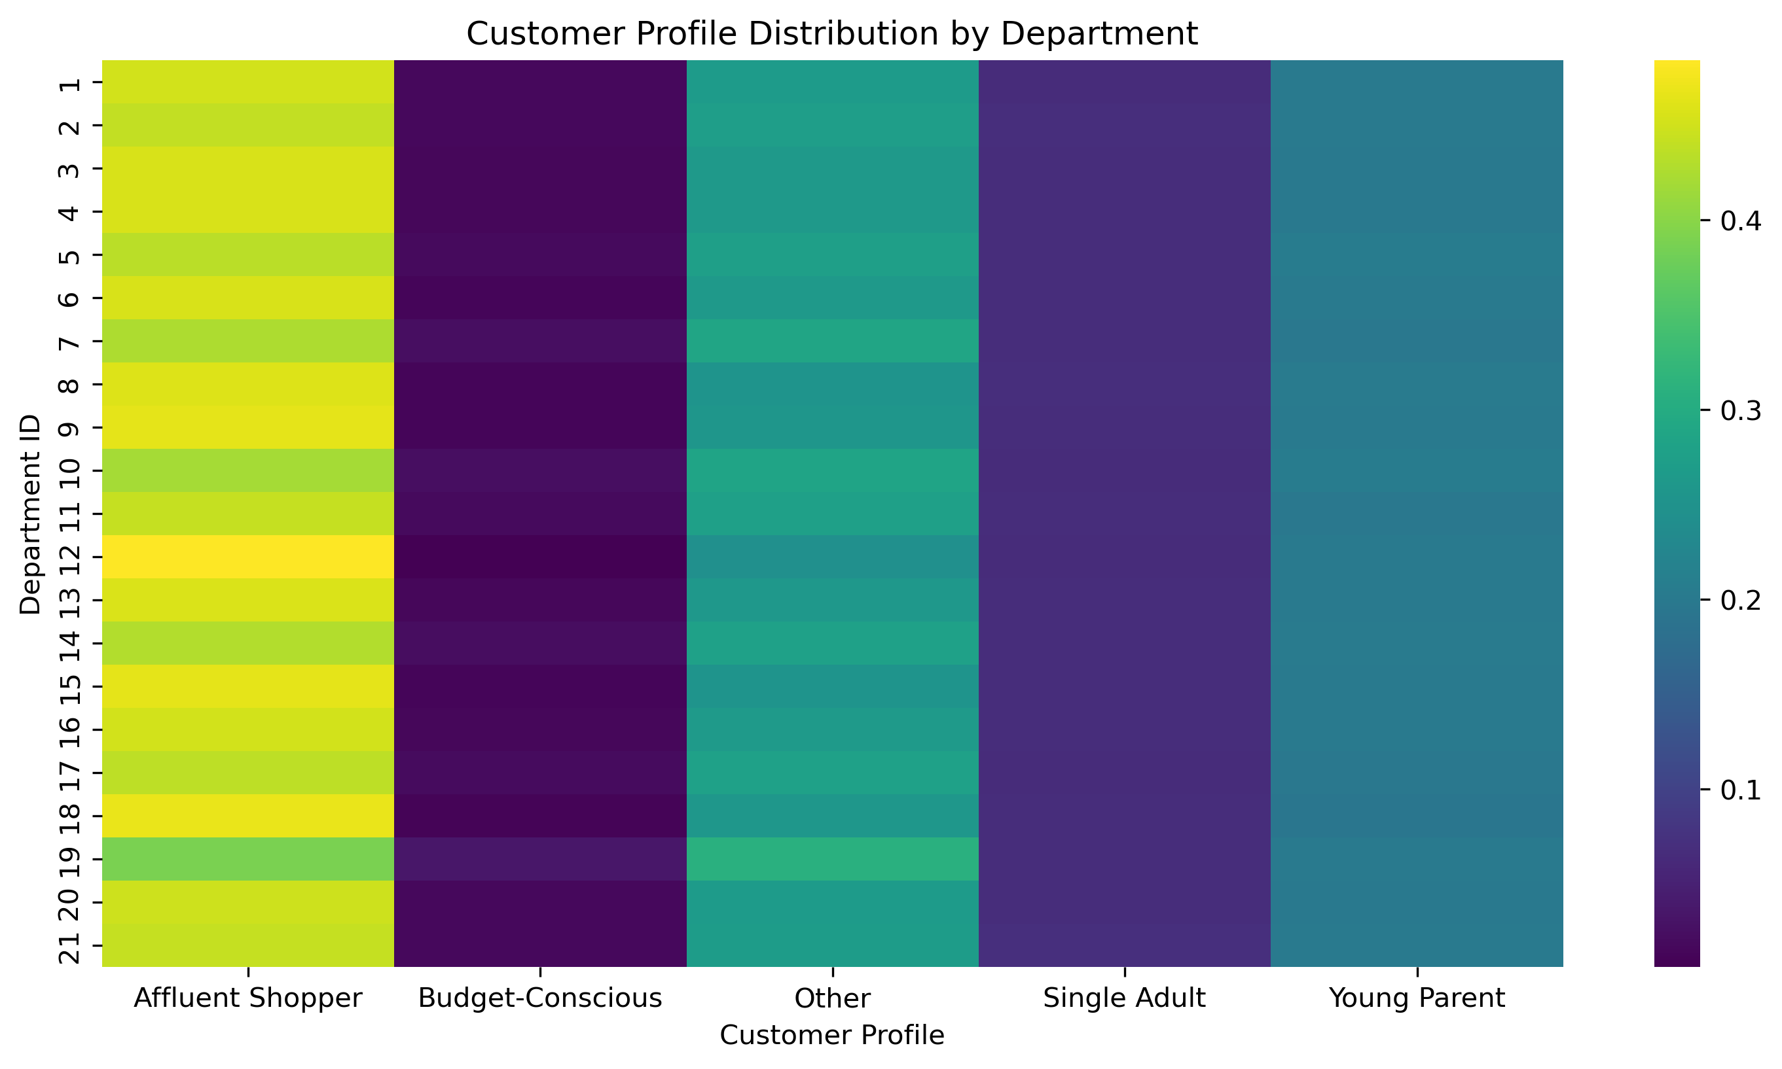
 | Title page

Visualisations

In this tab you should include all the visualtions from Exercises 4.9 and 4.10, alongside the questions from the project brief that they answer. Include any commentary on the relationship between different variables.

Task
From the Sales Team: What are the busiest days of the week and hours of the day?

Insights
Saturday and Sunday are the busiest day of the week. Tuesday and Wednesday are the least bust days of the week.
Most orders are between 9am and 4pm with a peak at 10am to 11am

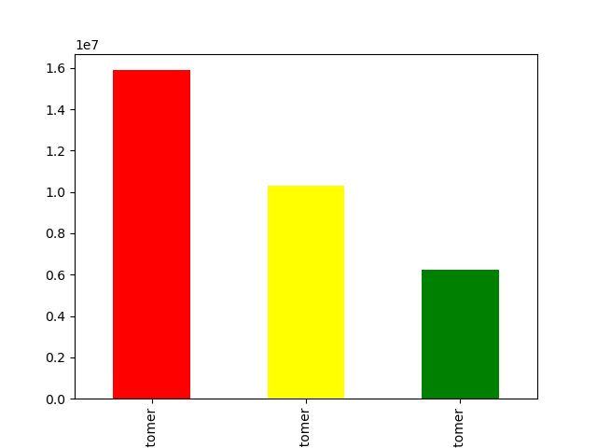


Task
From the Sales Team: Are there particular times of day when people spend the most money?

Insights
Sales are higher in the morning, but it should be noted that this is a small variation.
Additionally, sales are higher on the weekends
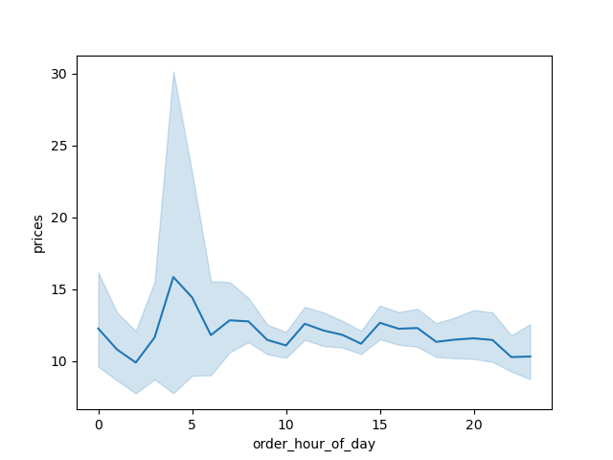
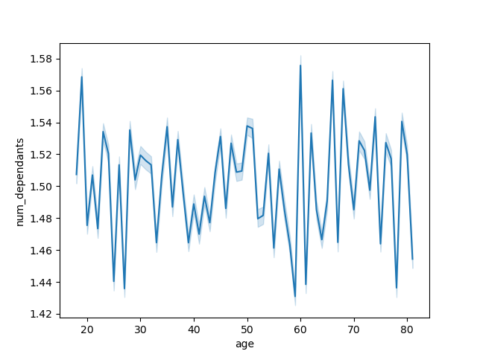

Task
The Instacart officers are interested in comparing customer behavior in different geographic areas

Insights
The South has the highest number of customers overall, including the most High Spenders.
The Northeast has the fewest customers and the lowest number of High Spenders.
Across all regions, Low Spenders dominate significantly.

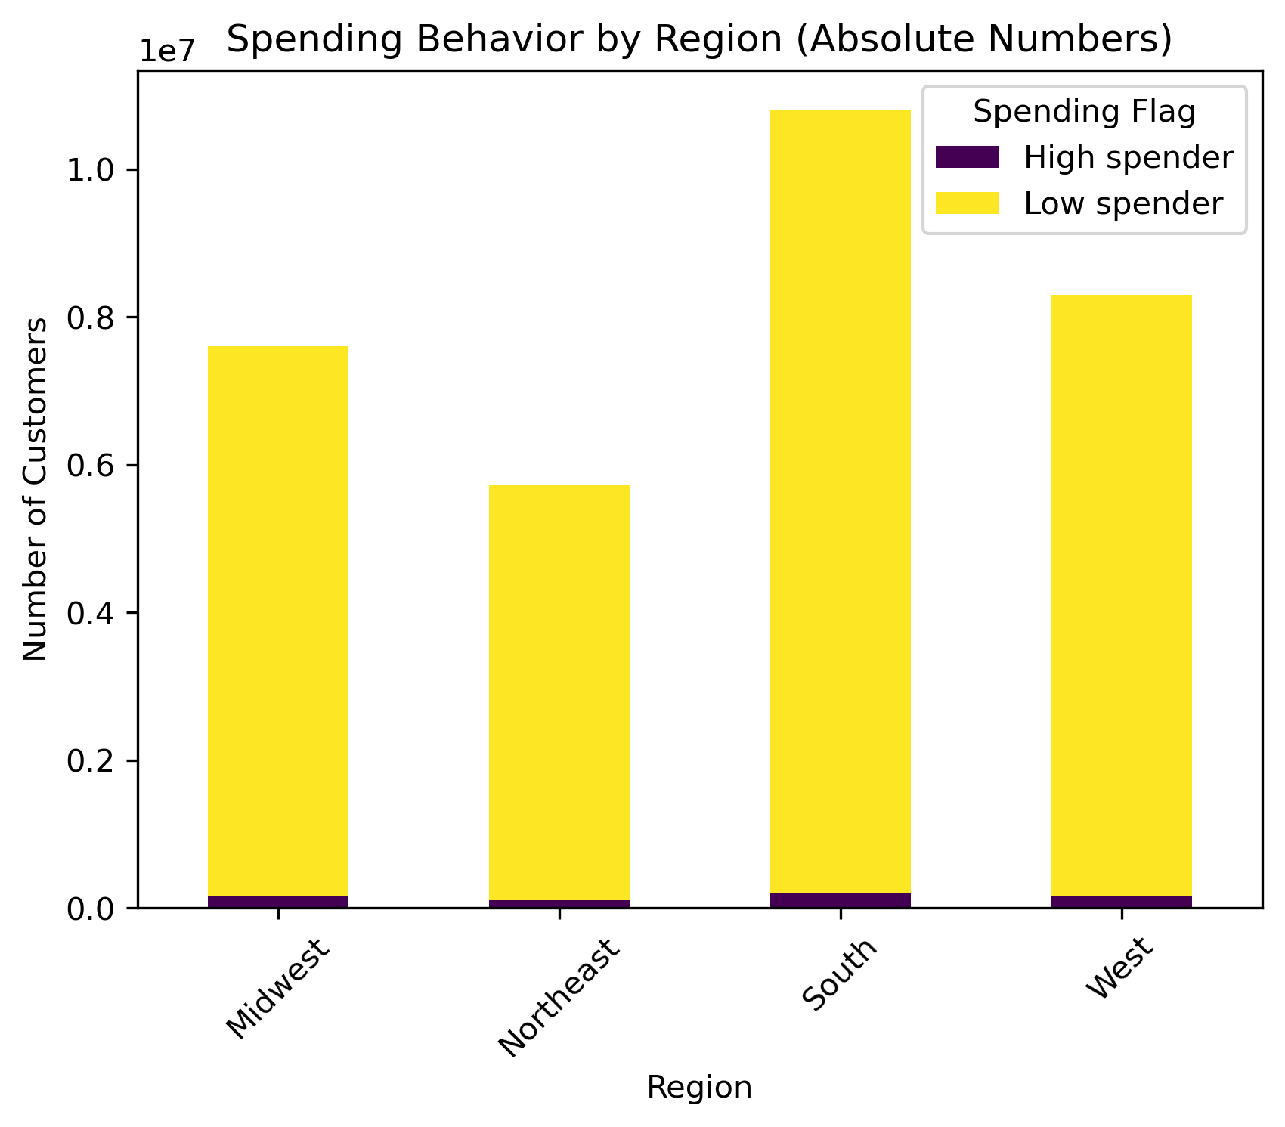

Task
Create a customer profiling variable based on age, income, department_id, number of dependents, order_day_of_week, and order_hour_of_day to support targeted marketing strategies.

Insights
1) Affluent Shoppers represent the largest segment.
2) A significant portion falls into the "Other" category, indicating that additional refinements in profiling criteria could be considered.
3) Young Parents and Single Adults form notable customer groups.
4) Budget-Conscious customers make up the smallest segment.
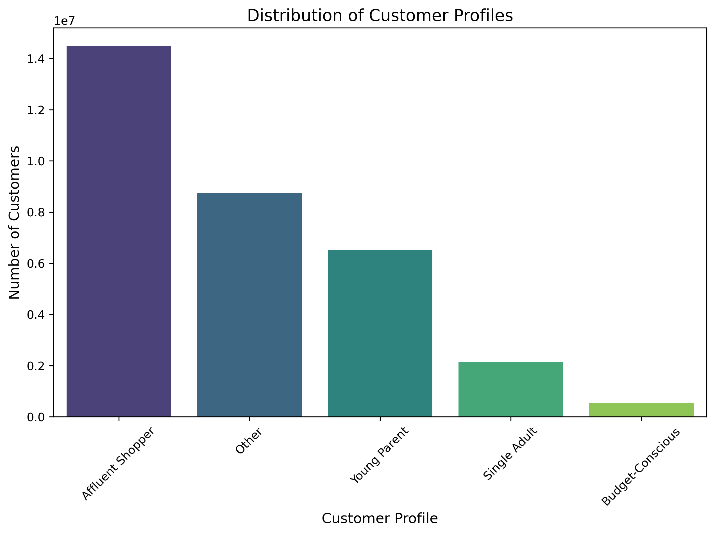

Task
Analyze the relationship between customer profiles, regions, and departments to identify behavioral patterns and potential regional differences.

Insights
1) South has the highest number of customers overall, while Northeast has the fewest.
2) Affluent Shoppers (dark purple) are well represented in all regions, but especially in the South and Midwest.
3) Young Parents (yellow) are evenly distributed across all regions, with a slight increase in the South.
4) Single Adults (green) are a small proportion of customers in all regions, with no significant variations.
5) Budget-Conscious customers (blue) appear consistently across all regions, with slightly higher numbers in the South.
6) Others (turquoise) make up a large share of customers in every region, suggesting a diverse group that doesn’t fit into the defined profiles.
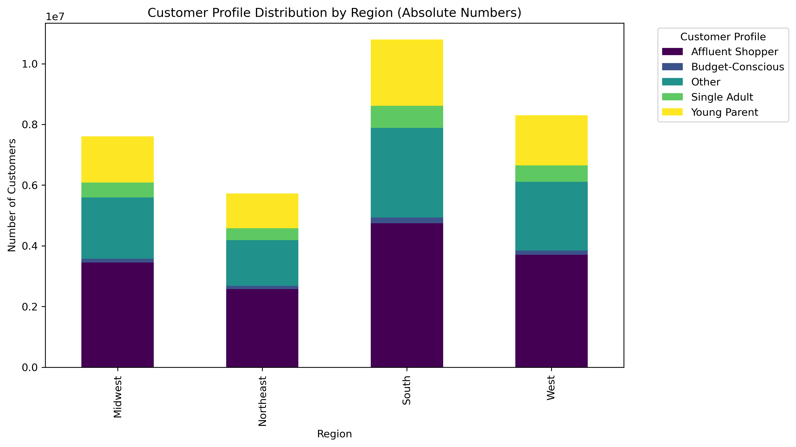

Insights
1) Affluent Shoppers (leftmost column) are present in almost all departments, indicating a broad shopping behavior.
2) Budget-Conscious customers (second column) have low representation across all departments, meaning they do not cluster in specific categories.
3) Young Parents (rightmost column) are evenly distributed across departments, without a strong preference for baby-related products.
4) Single Adults and "Other" customers show no extreme department preferences, suggesting a diverse shopping behavior.

7. Recommendations
 |  |  | Title page

Recommendations

Key Question | Answer | Recommendations
What are the busiest days of the week and hours of the day? | Saturday and Sunday are the busiest days of the week, while Tuesday and Wednesday see the least activity. The majority of orders are placed between 9 AM and 4 PM, with a peak between 10 AM and 11 AM. | Since the middle of the week tends to be the least busy, implementing sales and coupons specifically for those days could help boost sales during these slower periods.
Are there particular times of day when people spend the most money? | Sales tend to be higher in the morning, though the variation is relatively small. Additionally, sales increase on weekends. | While sales tend to be slightly higher in the morning and on weekends, the difference is minimal—only around 10 to 20 cents. This small fluctuation appears to be largely random, so no actionable recommendations can be made based on this trend.
Are there certain products that are more popular than others? | The top-selling departments include Produce, Dairy/Eggs, Snacks, and Beverages. | Coupons and specials for popular items such as Produse and Dairy are recommended to get people tp place orders. Coupons and specials for the least popular items such as international, alcohol, and bulk are recommended to boost sales in those departments.
Are there differences in ordering habits based on loyalty status? | The majority of customers are classified as low spenders. | Does Instacart benefit more from high-spending customers or frequent shoppers? While discounts on entire grocery purchases could encourage larger orders, they might also reduce how often customers shop.
Are there differences in ordering habits based on region? | Customers in the South and West generate the highest sales in produce, snacks, and dairy/eggs. | Boost advertising and promotional efforts in regions with lower customer activity to drive engagement and sales.
What is the distribution among users as to how often they return to Instacart? Is there a connection between age and family status and ordering habits? What different classifications does the demographic information suggest? Age? Income? Certain types of goods? Family status??" | The majority of customers are adults or middle-aged, married, and have dependents. Additionally, those in the upper income bracket are typically over 40 years old. | Focus the majority of coupons and discounts on staple family items like dinner essentials, breakfast cereals, and packable lunch options. Meanwhile, target luxury products specifically to high-income customers over 40.
What differences can you find in ordering habits of different customer profiles? Consider the price of orders, the frequency of orders, the products customers are ordering. | The primary demographic for Instacart users consists of adult to middle-aged, middle-income parents. This aligns with expectations, as larger households tend to consume more products. | Does Instacart aim to expand its reach to more demographics? Are there barriers, such as a lack of familiarity with technology, that may be limiting customer growth among seniors? Focusing on products popular with families could encourage customers to place orders more readily instead of postponing their purchases. Who are Instacart’s main competitors? Other delivery services, customer loyalty to specific stores, or the preference for in-store shopping? Partnering with retailers to offer exclusive discounts or free items for Instacart users could help attract more customers and encourage online orders over in-store shopping.

